1. Title Page
[Project Name]

Project Name: Instacart Grocery Basket Analysis
Date: May 1, 2024
Analyst Name: Tara Ross

Contents:
Population Flow
Consistency checks
Wrangling steps
Column derivations
Visualizations
Recommendations

2. Population Flow
Title page

Population flow

Exclusion flag
Condition: max_order <
Obervations to be removed:
Final total count of order_products_all:

Orders_products_combined
Orders_products_merged
Orders_products_all

Total: 32,404,859
Total: 32,434,489
Total: 32,404,859

1.) The grey boxes in the first row of the population flow represent the original data sets as they were when you downloaded them. In the Total fields you need to add the count of the rows when you imported the data set into Jupyter.
2.) The second row of boxes (coloured) represents the data sets after you manipulated them, e.g., removed missing values and duplicates. In the Total fields you need to add the count of the rows after conducting these operations. This offers a visual oveview of how the data flows throughout the data consistency checks.
3.) The third row, where also the arrows are coloured, represents the merges you performed between the datasets. In the Total fields you need to add the count of the rows in the merged datasets, so that you end up with the final dataset (in the red box). Keep in mind the final dataset should be without exclusions (based on the exclusion flag).

3. Consistency checks
 |  |  |  | Title page
Consistency checks

Dataset | Missing values | Missing values treatment | Duplicates
orders | days_since_prior_order | Missing values has been addressed approoriately, so now client can see why there are missing values in 'order_number' column. Removing this data would have been bad because it shows us information about be customers. | no duplicates
products | product_name: 16 NaNs | removed | 5 duplicates deleted
orders_products_prior
customers | first_name: 11 missing values | Missing values were left alone because it didn't interfere with analysis

4. Wrangling steps
 |  |  |  | Title page
Wrangling steps

Columns dropped | Columns renamed | Columns' type changed | Comment/Reason
'eval_set' |  |  | unnecessary and not relevant to the analysis
 | 'order_dow' --> 'orders_day_of_week' |  | "dow" may not be a commonly known acronym
 |  | 'order_id' from int64 to str | order_id does not represent real numeric values, it is a key that relates to specific orders and users
 |  | 'user_id' int64 to str | same reason as why order_id was changed
'unnamed: 0' |  |  | was forgetting to index=False when exporting so 2 unnamed columns popped into the df between exercise 4.5 and 4.6
 | ords_prods_new: '-merge' renamed 'ords_prior_combined' |  | Error message: unable to create merge of customers and ords_prods_new with "merge" and part of a column name.
 | ords_prods_new: 'merge_flag' renamed 'prods_clened_combined' |  | Error message: unable to create merge of customers and ords_prods_new with "merge" and part of a column name.
 | customers.csv: 'First Name' renamed 'first_name' |  | column naming consistency
 | customers.csv: 'Surnam' renamed 'last_name' |  | column naming consistency
 | customers.csv: 'Gender' renamed 'gender' |  | column naming consistency
 | customers.csv: 'State' renamed 'state' |  | column naming consistency
 | customers.csv: 'Age' renamed 'age' |  | column naming consistency
 | customers.csv: 'n_dependants' renamed 'number_of_dependents' |  | column naming consistency
 | customers.csv: 'fam_status' renamed 'family_status' |  | column naming consistency
 | ords_prods_new: '_merge' renamed 'ords_priors_combined' |  | column naming clarity
 | ords_prods_new: 'merge_flag' renamed 'prods_clened_combined' |  | column naming clarity
 |  |  | changed for merge with 'customers.pkl'
df_merged: '_merge' |  |  | unneeded
Orders_products_all: '_merge' |  |  | unneeded
Orders_products_all_2: 'first_name','last_name' |  |  | PII security concerns
Orders_products_all_2: 'ords_priors_combined', 'prods_clened_combined', '_merge', 'Unnamed: 0' |  |  | unneeded
 | departments_wrangled.pkl: 'Unnamed: 0' renamed 'department_id' |  | column naming clarity

5. Column derivations
 |  |  |  | Title page

Column derivations and aggregations
In this tab you should add tables below that the frequences of flags/label variables that you produced after deriving them. NB: don't do this for continuous variables, only for flags.

Dataset | New column | Column/s it was derived from | Conditions
orders_products_merged.pkl | price_range_loc | prices | price <= 'Low-Range product price > 5 'Mid-range product' price > 15 'High-range product' else 'Not enough data'
orders_products_merged.pkl | busiest_day | orders_day_of_week | if Saturday(0), then busiest day if Wednesday(4), then least busy else, then regularly busy
orders_products_merged.pkl | busiest_days | orders_day_of_week | if 0(Saturday) or 1(Sunday), then busiest days if 3(Tuesday) or 4(Wednesday), then slowest days else then regularly busy days
orders_products_merged.pkl | busiest_period_of_day | order_hour_of_day | if in range (9,16), then Most Orders if in range (0,8), then Fewest Orders else, then Average Orders
orders_products_merged_derived.pkl | max_order | user_id and order_number | counts the total amount of orders by user
orders_products_merged_derived.pkl | loyalty_flag | max_order | if more than 40 orders, then loyal customer if less than 40 but more than 10, then regular customer if less than 10 orders, then new customer
orders_products_merged_derived.pkl | mean_product_price | user_id and prices | if more than or equal to 10, then high spender. If less than 10, low spender
orders_products_merged_derived.pkl | median_days | user_id and days_since_prior_order | calculates the median days since users last order
orders_products_merged_derived.pkl | frequency_flag | frequent_customer | if last order is greater than 20, then non-frequent customer if last order is less than 20 but greater than 10, then regular customer if last order is less than 10, then frequent customer
orders_products_customers_merged.pkl | region | State | States grouped into Regions by geographical location
orders_products_customers_merged.pkl | activity_flag | max_order | if max order is less than 5, then low activity if max order is greater than or equal to 5, then regular activity
df_included | income | income_type | if income is less than 75000, then low income if income is in range (75000, 150000), then medium income else then high income
df_included | age | age_type | if age is between (18,39), then young adult if age is between (40,64), then middle aged adult else then senior citizen
df_included | dependant_type | n_dependants | if dependants is 0, then non parent else then parent

6. Visualizations
 |  |  |  |  |  | Title page

Visualisations

In this tab you should include all the visualtions from Exercises 4.9 and 4.10, alongside the questions from the project brief that they answer. Include any commentary on the relationship between different variables.


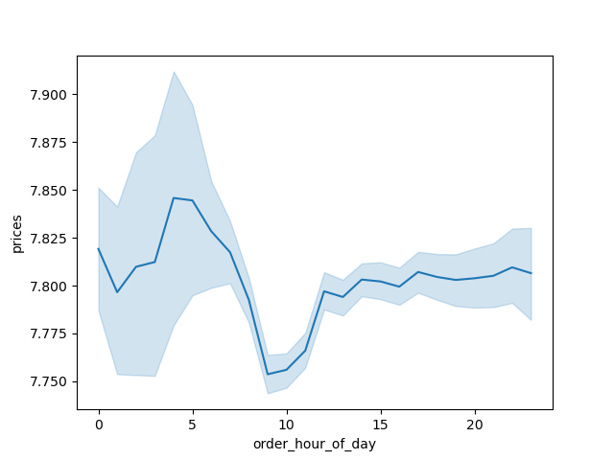

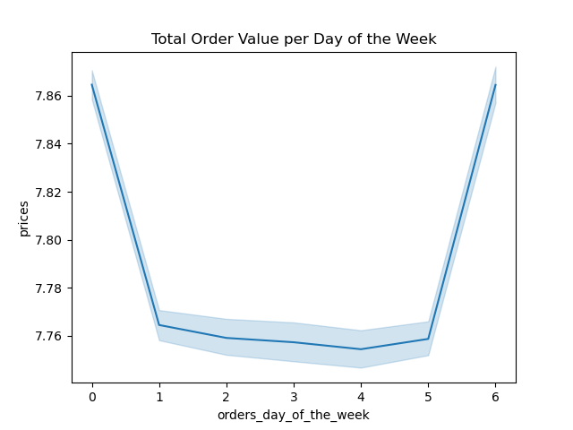

 |  |  |  |  |  |  |  |  | This chart represents the total order value per day of the week.

Represents the number of orders for each day of the week. Saturday (0) and Sunday (1) being the |  |  |  | Represents the relationship between total order value and the hour of the day. Between 4-5am seems to be |  |  | Represent the busiest hours of the day by orders. The busiest hours being between 9am-4pm.
busiest and Tuesday(3) being the slowest. |  |  |  | the highpoint while around 8-10am seems to be the low point.





 | Regular Customer | Loyal Customer | New Customer
 |  |  |  |  |  |  | This chart shows us that most instacart customers order products $15 and under. We can see an immediate
Counts the number of customers by how often they shop with us. |  |  |  | Represents a customer's income by age. |  |  | drop in sales over $15.

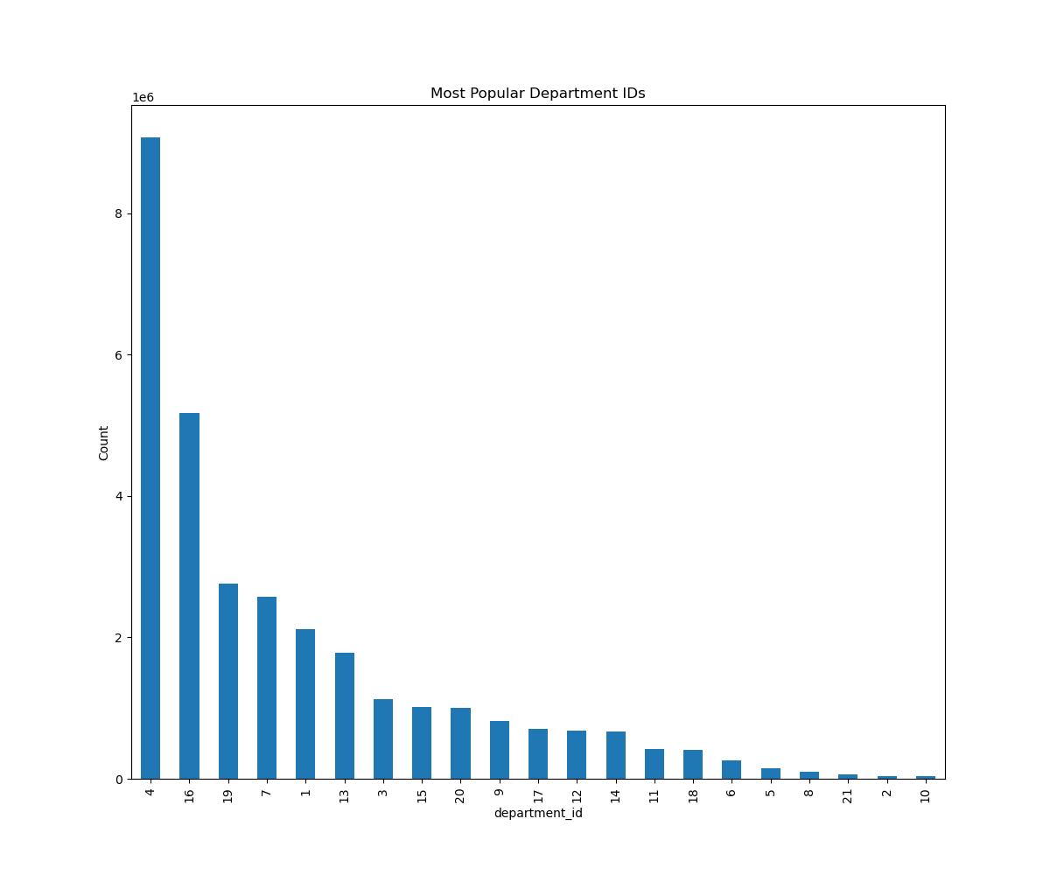
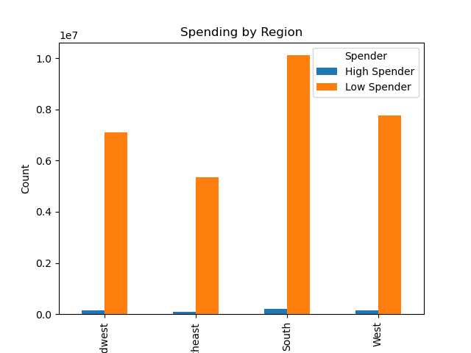
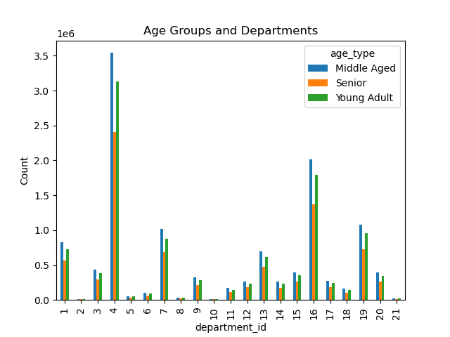
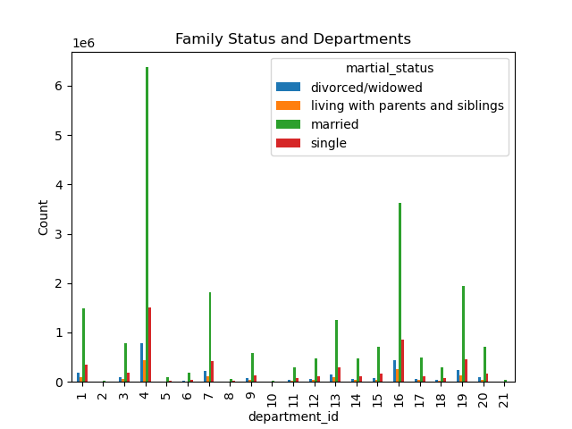

This chart shows us the most popular departments, with department 4 being the highest in produce. |  |  |  |  | This bar chart shows the spending distribution by region. |  |  | This chart shows which department is the most popular by each age group. | This chart represents which department is most popular by each age group.

7. Recommendations
 |  |  |  |  |  |  |  |  |  | Title page

Recommendations

In this tab you should include any recommendations you would made to Instcart in terms of their marketing strategy based on the questions posed in the brief. Every key question has been covered in the Tasks of the Exercises - here you need to add an item - a visualisation or table/crosstable that is showing the answer in the data, acompanied by a comment from you. Please, list the questions below and add the answer underneath.

Question 1: |  | The sales team needs to know what the busiest days of the week and hours of the day are (i.e., the days and times with the most orders) in order to schedule ads at times when there are fewer orders.

 |  | Orders per Day of the Week |  |  | Legend: |  |  | Orders per Hour of the Day
 |  |  |  |  | 0 = Saturday
 |  |  |  |  | 1 = Sunday
 |  |  |  |  | 2 = Monday
 |  |  |  |  | 3 = Tuesday
 |  |  |  |  | 4 = Wednedsay
 |  |  |  |  | 5 = Thursday
 |  |  |  |  | 6 = Friday

 | The busiest days of the week for Instacart customer ordering are Saturday and Sunday. |  |  |  |  |  | The busiest hours of the day are between 9am and 4pm.

Recommendation:
Since the slowest days of the week are Tuesday and Wednesday, I suggest mid-week sales to drive customers in. Whether that be half off delivery costs or a certain percentage off of certain stores, it would help drive in customers during the slow times of the week.

Question 2: |  | They also want to know whether there are particular times of the day when people spend the most money, as this might inform the type of products they dvertise at these times.

 |  |  |  |  |  |  |  | Total Order Value per Hour of the Day
 |  |  |  |  | Legend:
 |  |  |  |  | 0 = Saturday
 |  |  |  |  | 1 = Sunday
 |  |  |  |  | 2 = Monday
 |  |  |  |  | 3 = Tuesday
 |  |  |  |  | 4 = Wednedsay
 |  |  |  |  | 5 = Thursday
 |  |  |  |  | 6 = Friday

 | The most expensive orders from Instacart are from Friday to Sunday. |  |  |  |  |  | There are orders at all hours of the days, however the peak of high value orders is in the morning between 4am-5am.

Recommendation:
The most expensive orders are on the weekends, most likely people preparing for the following week. The peak of early mornings is most likely due to people ordering before average work hours start and also a slight peak after average work hours end. Again some sort of incentative to drive in sales during the low times during the week and of the day, such as half off delivery fees or somesort of point system where you can get extra points for ordering during non-peak times.

Question 3: |  | Instacart has a lot of products with different price tags. Marketing and sales want to use simpler price range groupings to healp direct their efforts.

 |  | Frequency of Prices in Orders

 |  |  |  |  |  |  | This chart shows us that most Instacart customers order products $15 and under. We can see an immediate drop in sales after the product price goes over $15.

Recommendation:
Since most orders are lower than $15, it would be best to keep the price range grouping as it is. Increasing the price could lead to less users due to frustration of price increase.

Question 4: |  | Are there certain types of products that are more popular than others? The marketing and sales teams want to know which departments have the highest frequency of product orders.

 |  |  |  |  |  |  | Legend:
 |  |  |  |  |  |  | 4 = Produce
 |  |  |  |  |  |  | 16 = Dairy Eggs |  | With this chart we can see that produce and dairy eggs are the most popular products.
 |  |  |  |  |  |  | 19 = Snacks
 |  |  |  |  |  |  | 7 = Beverages
 |  |  |  |  |  |  | 1 = Frozen
 |  |  |  |  |  |  | 13 = Pantry
 |  |  |  |  |  |  | 3 = Bakery
 |  |  |  |  |  |  | 15 = Canned Goods
 |  |  |  |  |  |  | 20 = Deli
 |  |  |  |  |  |  | 9 = Dry Goods Pasta
 |  |  |  |  |  |  | 17 = Household
 |  |  |  |  |  |  | 12 = Meat Seafood
 |  |  |  |  |  |  | 14 = Breakfast
 |  |  |  |  |  |  | 11 = Personal Care
 |  |  |  |  |  |  | 18 = Babies
 |  |  |  |  |  |  | 6 = International
 |  |  |  |  |  |  | 5 = Alcohol
 |  |  |  |  |  |  | 8 = Pets
 |  |  |  |  |  |  | 21 = Missing
 |  |  |  |  |  |  | 2 = Other
 |  |  |  |  |  |  | 10 = Bulk

Recommendation:
Produce and dairy eggs suggest foods with shorter shelf life. With these products going bad quicker, it needs to be ordered more often than other categories. It also could suggest that there are more vegetarians using the app. Maintain these products that are selling well but also introduce newer vegetarian items to continue strong sales.

Question 5: |  | What's the distribution amount users in regards to their brand loyalty (i.e. how often do they return to instacart)? Are there differences in ordering habits based on a customers loyalty status?

 |  |  |  |  |  |  | Legend:
 |  |  |  |  |  |  | Loyal Customer: orders > 40
 |  |  |  |  |  |  | Regular Customer: orders <= 40 and >10
 |  |  |  |  |  |  | New Customers: orders <= 10

 |  | Regular Customer | Loyal Customer | New Customer

Recommendation:
Instacart does have loyal customers, but right now they have more regular customers. To boost regular customers into the loyal category, it would be worth making some sort of rewards points to keep customers coming back more frequently.

Question 6: |  | Are there differences in ordering habits based on a customer's region?

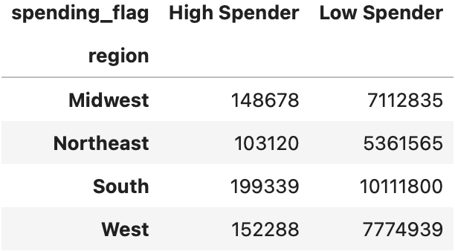

Recommendation:
The south has the most customers therefore marketing campaigns should take place in the other regions to boost sales. Can introduce a "local favorite" section to get more people interested.

Question 7: |  | Is there a connection between age and family status in terms of ordering habits?

 |  |  |  |  |  | Legend:
 |  |  |  |  |  | 1 = Frozen
 |  |  |  |  |  | 2 = Other
 |  |  |  |  |  | 3 = Bakery
 |  |  |  |  |  | 4 = Produce
 |  |  |  |  |  | 5 = Alcohol
 |  |  |  |  |  | 6 = International
 |  |  |  |  |  | 7 = Beverages
 |  |  |  |  |  | 8 = Pets
 |  |  |  |  |  | 9 = Dry Goods Pasta
 |  |  |  |  |  | 10 = Bulk
 |  |  |  |  |  | 11 = Personal Care
 |  |  |  |  |  | 12 = Meat Seafood
 |  |  |  |  |  | 13 = Pantry
 |  |  |  |  |  | 14 = Breakfast
 |  |  |  |  |  | 15 = Canned Goods
 |  |  |  |  |  | 16 = Dairy Eggs
 |  |  |  |  |  | 17 = Household
 |  |  |  |  |  | 18 = Babies
 |  |  |  |  |  | 19 = Snacks
 |  |  |  |  |  | 20 = Deli
 |  |  |  |  |  | 21 = Missing

Recommendation:
Married, middle aged customers make up the bulk of the Instacart customers. There is a bigger difference in who is ordering vs what is being ordered. That being said it would be better to focus advertising towards middle aged adults.

Question 8: |  | What different classifications does the demographic information suggest? Age? Income? Certain types of goods? Family Status?

Recommendation:
The results found here are similar to the results previously mentioned. The recommendations mentioned prevously will cover this.

Recommendation:

